MB FRU with FBOSS v6
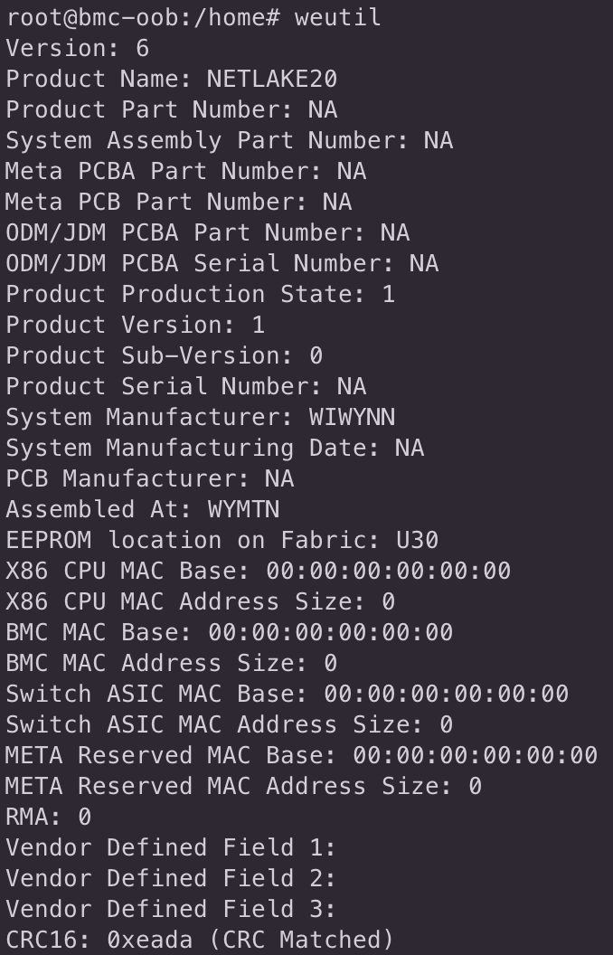
 | Golden Image Data | Type (one byte) | Length (one byte) | Value (less is one byte) | Remark
Version | 6 | x | x | x | Display from weutil, check FBOSS version
Product Name | NETLAKE20 | 1 | Variable | ASCII String | Product Name
Product Part Number | NA | 2 | Variable | ASCII String | Blade VPN
System Assembly Part Number | NA | 3 | 8 | ASCII String | Blade Asset Tag
Meta PCBA Part Number | NA | 4 | 12 | ASCII String | Meta MB FBPN
Meta PCB Part Number | NA | 5 | 12 | ASCII String | Blade FBPN
ODM/JDM PCBA Part Number | NA | 6 | Variable | ASCII String | WW MB PN
ODM/JDM PCBA Serial Number | NA | 7 | Variable | ASCII String | WW MB SN
Product Production State | 1 | 8 | 1 | Unsigned Integer | Product Production State : 1 (for EVT), 2 (for DVT), 3 (for PVT), 4 (for MP)
Product Version | 2 | 9 | 1 | Production Sub-State. Used to denote sub-phases within EVT, DVT and PVT phases. Example, 1 for EVT1, 2 for EVT2, 1 for DVT1 etc. This field cannot be 0 | Default : 1 ( any HW change, will revise to 2,3, 4, and so on )
Product Sub-Version | 0 | 10 | 1 | Re-Spin/Variant Indicator. Used to uniquely identify platforms which have second-source or variance in hardware. This is not to be confused with EVT, DVT phase differences. For example, a SKU in MP might use voltage-regulators from two different vendors. But everything else (including other fields in EEPROM) will be the same across the two variants of the SKU. In this case, we assign a unique number in this field to uniquely identify the SKU with different voltage regulators. This field can be 0 if there are no respins or variants. | | Infineon : 1 or MPS : 2
Product Serial Number | NA | 11 | Variable | ASCII String | Blade SN
System Manufacturer | WIWYNN | 12 | Variable | ASCII String | ODM
System Manufacturing Date | NA | 13 | 8 | ASCII String | YYYYMMDD
PCB Manufacturer | NA | 14 | Variable | ASCII String | PCB vendor
Assembled At | WYMTN | 15 | Variable | ASCII String | MFG site
EEPROM location on Fabric | U30 | 16 | Variable | ASCII String | MB EEPROM location
X86 CPU MAC Base | 00:00:00:00:00:00 | 17 | 8 | X86 CPU MAC Addresses. The first six bytes represent the Base MAC Address, and the last two bytes represent the number of MAC Addresses from the Base. | *Notice : Type 17 Value = X86 CPU MAC Base + X86 CPU MAC Address Size means Type 17 Length = 8 (6 + 2)
X86 CPU MAC Address Size | 0 | 17 | 8 | X86 CPU MAC Addresses. The first six bytes represent the Base MAC Address, and the last two bytes represent the number of MAC Addresses from the Base.
BMC MAC Base | 00:00:00:00:00:00 | 18 | 8 | BMC MAC Addresses. The first six bytes represent the Base MAC Address, and the last two bytes represent the number of MAC Addresses from the Base. | *Notice : Type 18 Value = BMC MAC Base + BMC MAC Address Size means Type 18 Length = 8 (6 + 2)
BMC MAC Address Size | 0 | 18 | 8 | BMC MAC Addresses. The first six bytes represent the Base MAC Address, and the last two bytes represent the number of MAC Addresses from the Base.
Switch ASIC MAC Base | 00:00:00:00:00:00 | 19 | 8 | Switch ASIC MAC Addresses. The first six bytes represent the Base MAC Address, and the last two bytes represent the number of MAC Addresses from the Base. | *Notice : Type 19 Value = Switch ASIC MAC Base + Switch ASIC MAC Address Size means Type 19 Length = 8 (6 + 2)
Switch ASIC MAC Address Size | 0 | 19 | 8 | Switch ASIC MAC Addresses. The first six bytes represent the Base MAC Address, and the last two bytes represent the number of MAC Addresses from the Base.
META Reserved MAC Base | 00:00:00:00:00:00 | 20 | 8 | Meta Reserved MAC Addresses. The first six bytes represent the Base MAC Address, and the last two bytes represent the number of MAC Addresses from the Base. | *Notice : Type 20 Value = META Reserved MAC Base + META Reserved MAC Address Size means Type 17 Length = 8 (6 + 2)
META Reserved MAC Address Size | 0 | 20 | 8 | Meta Reserved MAC Addresses. The first six bytes represent the Base MAC Address, and the last two bytes represent the number of MAC Addresses from the Base.
RMA | 0 | 21 | 1 | A value of 1 indicates whether the unit has gone through RMA. Otherwise this field can be omitted or left with value 0 | Default value : 0. If the unit is gone via RMA, the value will be change to 1. (only for FBOSS v6 format)
Vendor Defined Field 1 | 0 | 101 | Variable | Vendors can use this field for their own purposes. Meta EEPROM parsing tools (weutil) will just dump the contents of this field. The value will not be interpreted and used in any way. | WW not add this data in EEPROM(confirm from Meta team)
Vendor Defined Field 2 | 0 | 102 | Variable | Vendors can use this field for their own purposes. Meta EEPROM parsing tools (weutil) will just dump the contents of this field. The value will not be interpreted and used in any way. | WW not add this data in EEPROM(confirm from Meta team)
Vendor Defined Field 3 | 0 | 103 | Variable | endors can use this field for their own purposes. Meta EEPROM parsing tools (weutil) will just dump the contents of this field. The value will not be interpreted and used in any way. | WW not add this data in EEPROM(confirm from Meta team)
CRC16 | 0xeada | 250 | 2 | Unsigned Integer | follow FBOSS v5 and FBOSS v6 CRC16 CRC-CCITT-AUG calculate format, Notice is PCBA value change the CRC value will change

Golden Image message | Image Name: Netlake2-Golden-FBOSS-v6_20251107.bin Checksum: md5sum - 2d7e29c9fae0bc31d063887c0cc3343d sha1sum - 8397c802643f8ddc712ea483e8c3d243ffa62ea3 sha256sum - 63374b2b36a65205630f0f93c188a6fbfba057d260fc292e081d3eedd059315c

